1. Comprar
Scenario: The customer access the website and click at "Comprar" and must open 5 icons
Given: The costumer access the website
When: The costumer click at "Comprar"
And: Open 5 icons
Then: The costumer can choose one icon, click it and move to another page
The function opened 5 icons?
End
Yes
Click at "Comprar"
Yes
All icons move to diffrent pages?
Yes

No

Can the customer access the site?

Report
No

1. Evidences
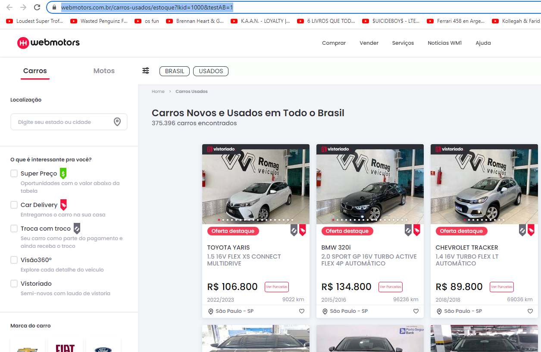
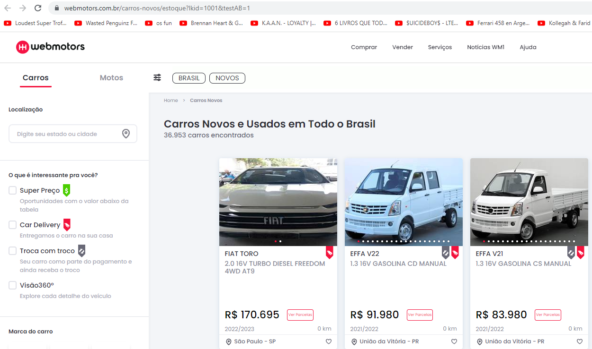
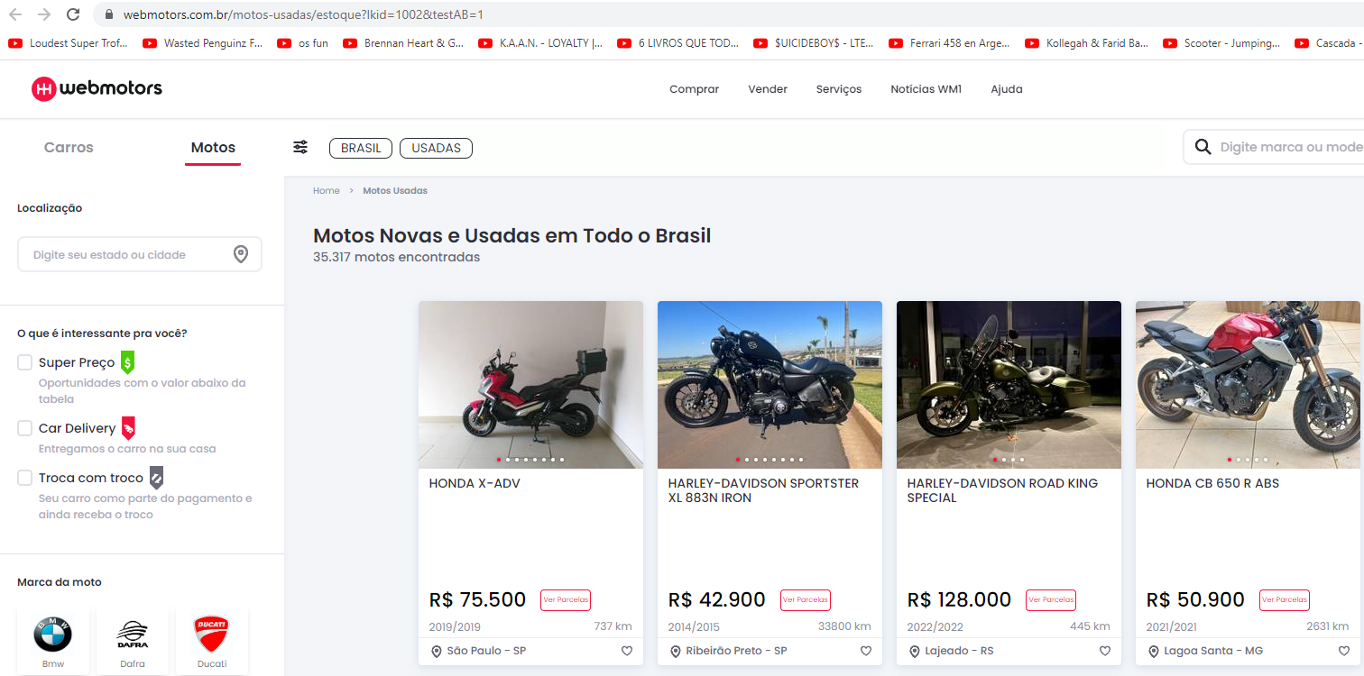
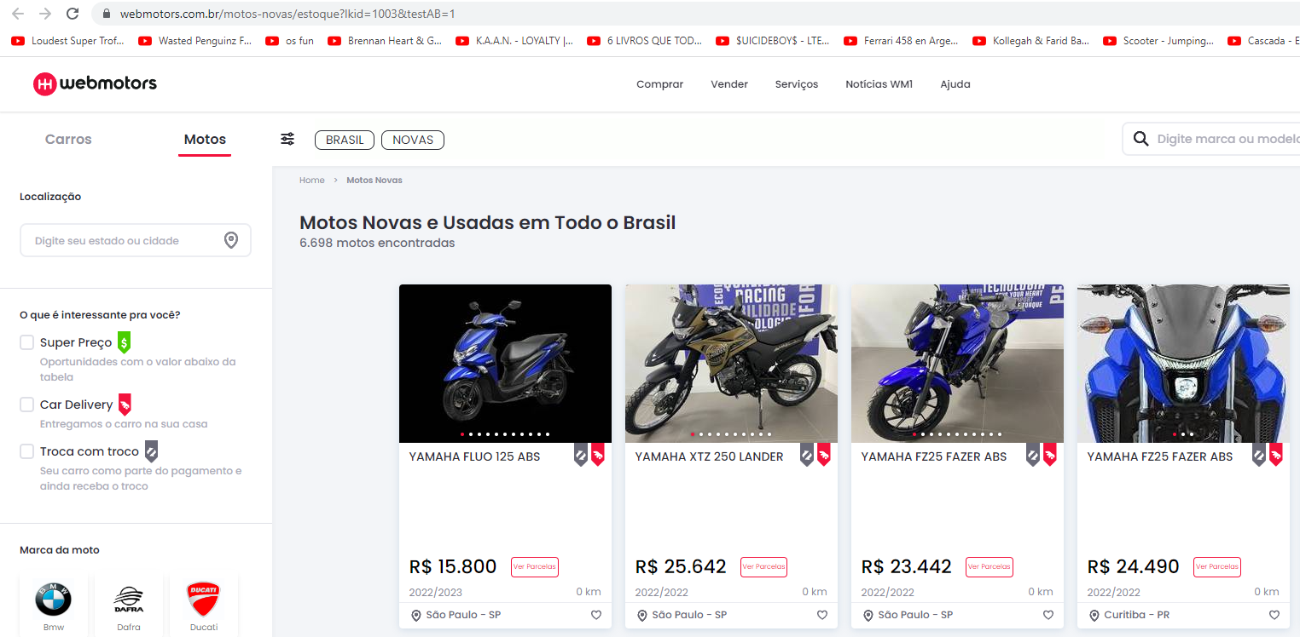
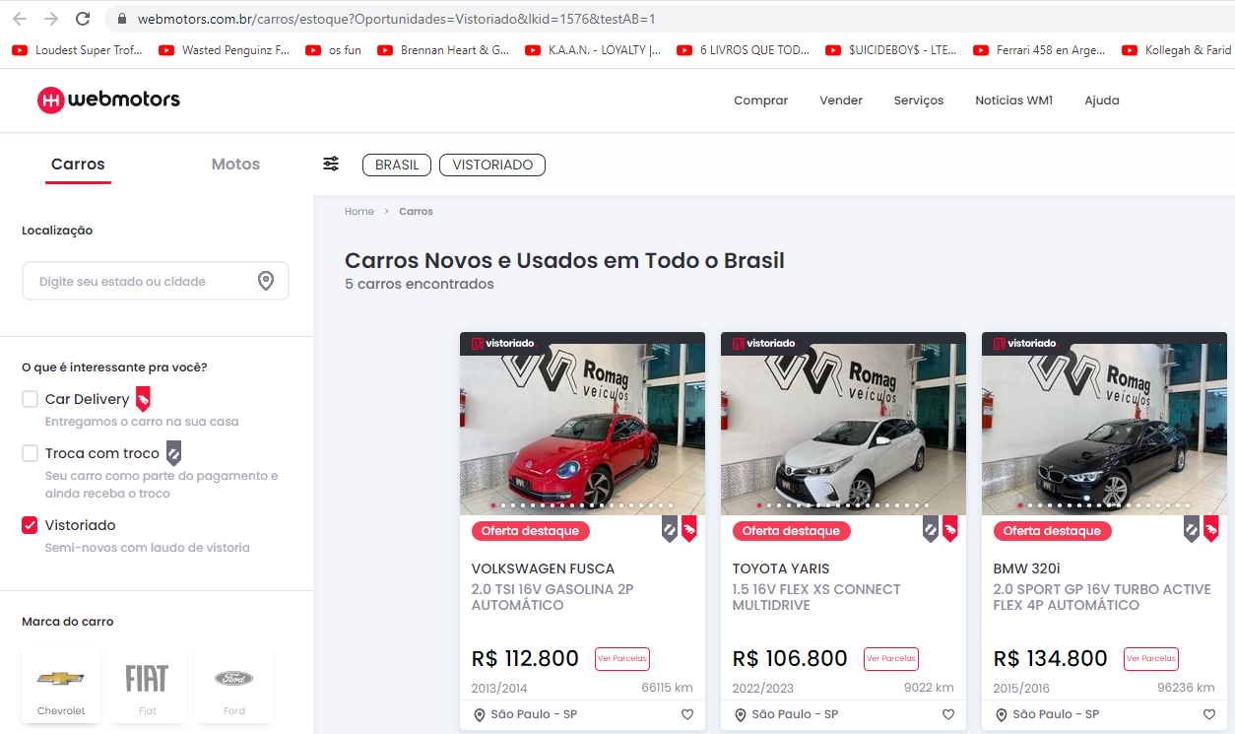
Step 1: The costumer accessing the website
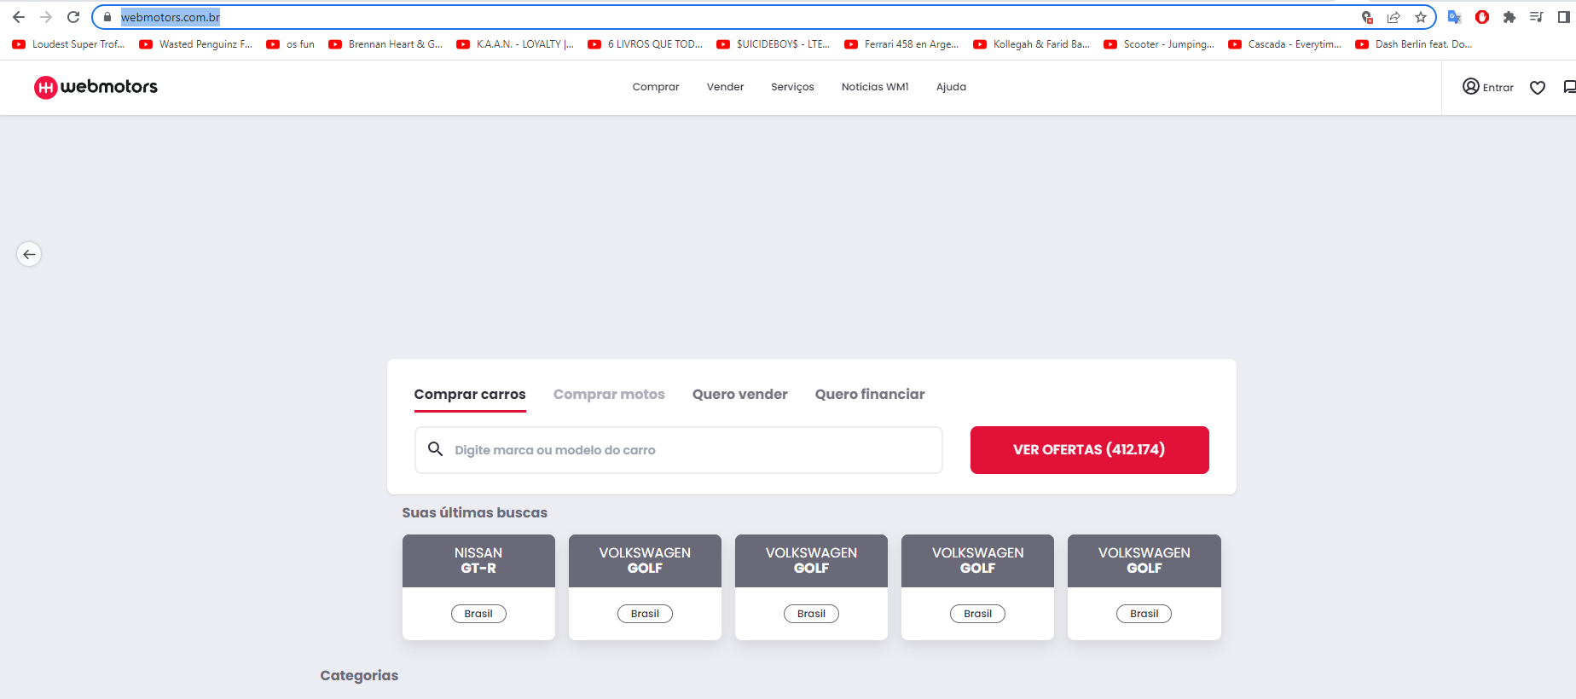

Step 2: The costumer choosing a function



Step 2: Moving to another page

6. Entrar
Scenario: The customer access the website and click at "Entrar" and must open 2 icons
Given: The costumer access the website
When: The costumer click at "Login"
And: Open 2 icons
Then: The costumer can choose one icon, click it and move to another page
The function opened 2 icons?
Yes
Click at "Login"
Yes
All icons move to diffrent pages?
Yes

No
Yes
Any problem identified?
Can the customer access the site?

No

Report
No
End

6. Evidences
Step 1: The costumer accessing the website and click at 'Entrar'

Step 2: 'Login' page
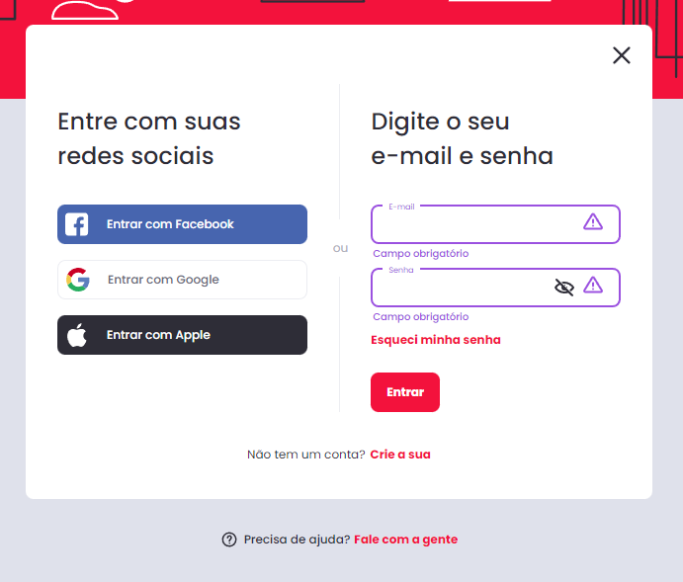

Opinion: The letters of 'E-mail' and 'Senha' could be higher and clear.

Step 2: Moving to another page and problem identified
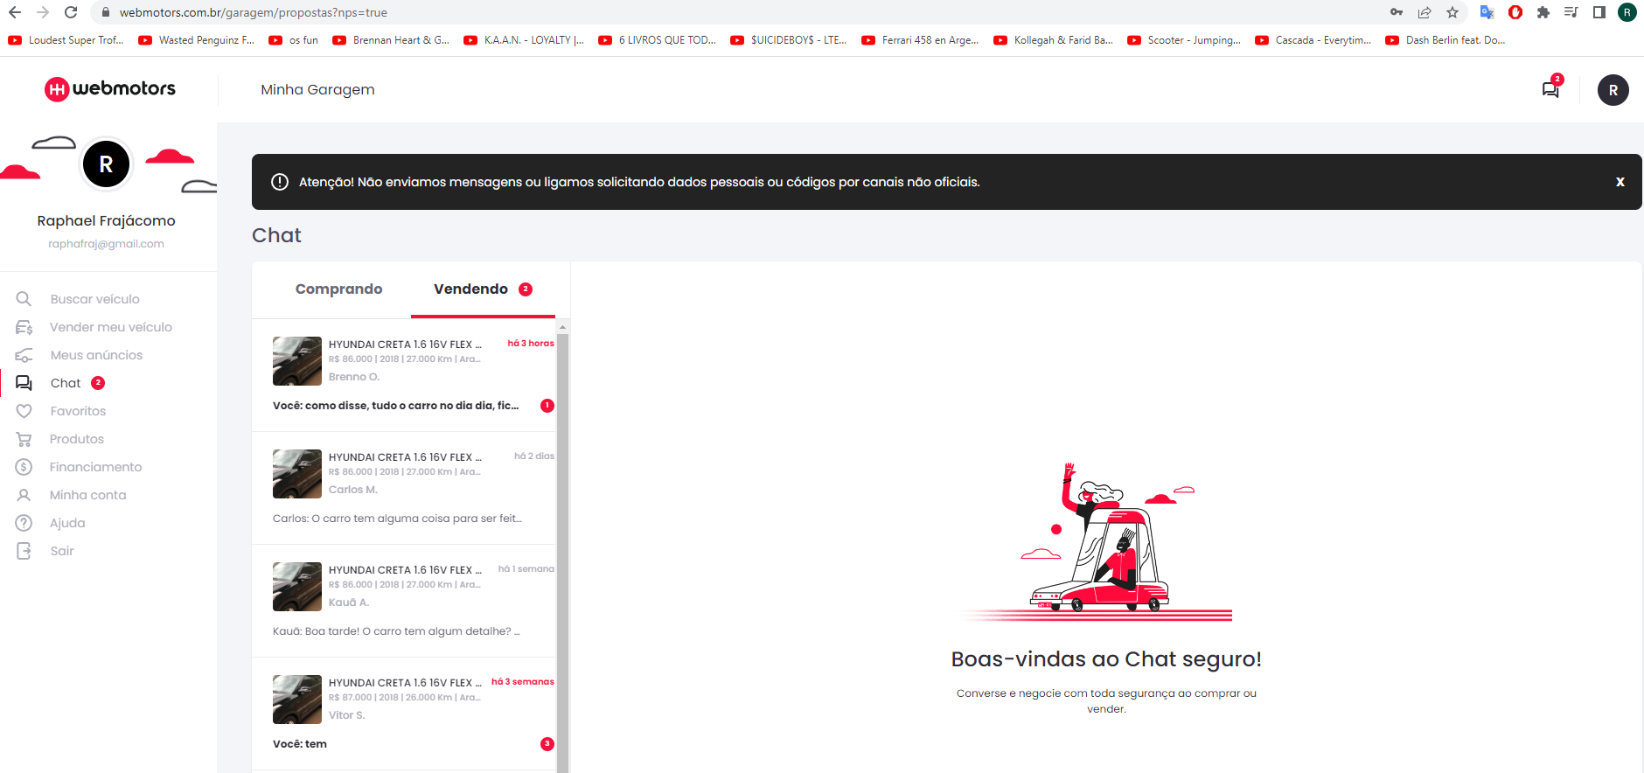

Problem identified: It's appearing my messsage like unread.

